Main Sheet
today: | today: | 2020-01-31

 |  |  |  |  |  |  |  |  |  |  |  | Task 1 | Task 2
 |  |  |  |  |  |  |  | Required | Required | Fitted | Fitted | (given sigma_r)
 | Fake |  | Tenor | Tenor | Tenor | Discount | Zero | Tenor | Tenor | Discount | Zero | integral of | sigma_s(T1,T2)
 | Tenor | Date | (days) | (years) | (years) | Factor | Rate | (months) | (years) | Factor | Rate | phi(T1,T2)
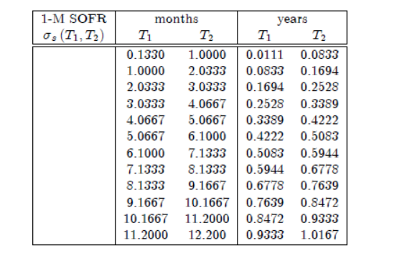
 | 1BD | 2020/02/03 | 3 | 0.008219 | 0.01 | 0.999871 | 1.5714%
 | 1W | 2020/02/13 | 13 | 0.035616 | 0.04 | 0.999429 | 1.6041%
 | 2W | 2020/02/20 | 20 | 0.054795 | 0.05 | 0.999119 | 1.6082%
 | 3W | 2020/02/27 | 27 | 0.073973 | 0.07 | 0.998810 | 1.6095%
 | 1M | 2020-03-06 | 35 | 0.095890 | 0.10 | 0.998457 | 1.6104% | 0.1333 | 0.0111
 | 2M | 2020-04-08 | 68 | 0.186301 | 0.19 | 0.997019 | 1.6022% | 1.0000 | 0.0833
 | 3M | 2020-05-06 | 96 | 0.263014 | 0.26 | 0.995817 | 1.5938% | 2.0333 | 0.1694
 | 4M | 2020-06-08 | 129 | 0.353425 | 0.35 | 0.994434 | 1.5793% | 3.0333 | 0.2528
 | 5M | 2020-07-08 | 159 | 0.435616 | 0.44 | 0.993224 | 1.5609% | 4.0667 | 0.3389
 | 6M | 2020-08-06 | 188 | 0.515068 | 0.52 | 0.992068 | 1.5462% | 5.0667 | 0.4222
 | 7M | 2020-09-08 | 221 | 0.605479 | 0.61 | 0.990809 | 1.5250% | 6.1000 | 0.5083
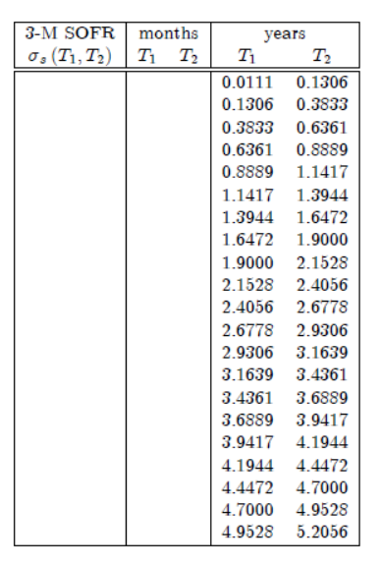
 | 8M | 2020-10-07 | 250 | 0.684932 | 0.68 | 0.989744 | 1.5051% | 7.1333 | 0.5944
 | 9M | 2020-11-06 | 280 | 0.767123 | 0.77 | 0.988662 | 1.4864% | 8.1333 | 0.6778
 | 10M | 2020-12-08 | 312 | 0.854795 | 0.85 | 0.987581 | 1.4620% | 9.1667 | 0.7639
 | 11M | 2021-01-06 | 341 | 0.934247 | 0.93 | 0.986631 | 1.4406% | 10.1667 | 0.8472
 | 1Y | 2021/02/08 | 374 | 1.024658 | 1.02 | 0.985579 | 1.4176% | 11.2000 | 0.9333
 | 18M | 2021-08-06 | 553 | 1.515068 | 1.52 | 0.980117 | 1.3256% |  | 1.0167
 | 2Y | 2022/02/08 | 739 | 2.024658 | 2.02 | 0.974686 | 1.2664% |  | 1.1417
 | 3Y | 2023/02/08 | 1104 | 3.024658 | 3.02 | 0.964029 | 1.2112% |  | 1.3944
 | 4Y | 2024/02/07 | 1468 | 4.021918 | 4.02 | 0.953191 | 1.1920% |  | 1.6472
 | 5Y | 2025/02/06 | 1833 | 5.021918 | 5.02 | 0.941793 | 1.1942% |  | 1.9000
 | 6Y | 2026/02/06 | 2198 | 6.021918 | 6.02 | 0.929569 | 1.2128% |  | 2.1528
 | 7Y | 2027/02/08 | 2565 | 7.027397 | 7.03 | 0.917028 | 1.2326% |  | 2.4056
 | 8Y | 2028/02/08 | 2930 | 8.027397 | 8.03 | 0.903823 | 1.2597% |  | 2.6778
 | 9Y | 2029/02/07 | 3295 | 9.027397 | 9.03 | 0.890162 | 1.2889% |  | 2.9306
 | 10Y | 2030/02/06 | 3659 | 10.024658 | 10.02 | 0.876107 | 1.3194% |  | 3.1639
 | 12Y | 2032/02/06 | 4389 | 12.024658 | 12.02 | 0.847769 | 1.3734% |  | 3.4361
 | 15Y | 2035/02/07 | 5486 | 15.030137 | 15.03 | 0.805947 | 1.4354% |  | 3.6889
 | 20Y | 2040/02/08 | 7313 | 20.035616 | 20.04 | 0.740914 | 1.4967% |  | 3.9417
 | 25Y | 2045/02/08 | 9140 | 25.041096 | 25.04 | 0.684354 | 1.5146% |  | 4.1944
 | 30Y | 2050/02/08 | 10966 | 30.043836 | 30.04 | 0.634229 | 1.5156% |  | 4.4472
 | 40Y | 2060/02/06 | 14616 | 40.043836 | 40.04 | 0.556477 | 1.4637% |  | 4.7000
 |  |  |  |  |  |  |  |  | 4.9528
 |  |  |  |  |  |  |  |  | 5.2056
 |  |  |  |  |  |  |  |  | 6.0219
 |  |  |  |  |  |  |  |  | 7.0274
 |  |  |  |  |  |  |  |  | 8.0274
 |  |  |  |  |  |  |  |  | 9.0274
 |  |  |  |  |  |  |  |  | 10.0247
 |  |  |  |  |  |  |  |  | 12.0247
 |  |  |  |  |  |  |  |  | 15.0301
 |  |  |  |  |  |  |  |  | 20.0356
 |  |  |  |  |  |  |  |  | 25.0411
 |  |  |  |  |  |  |  |  | 30.0438

result from Boom
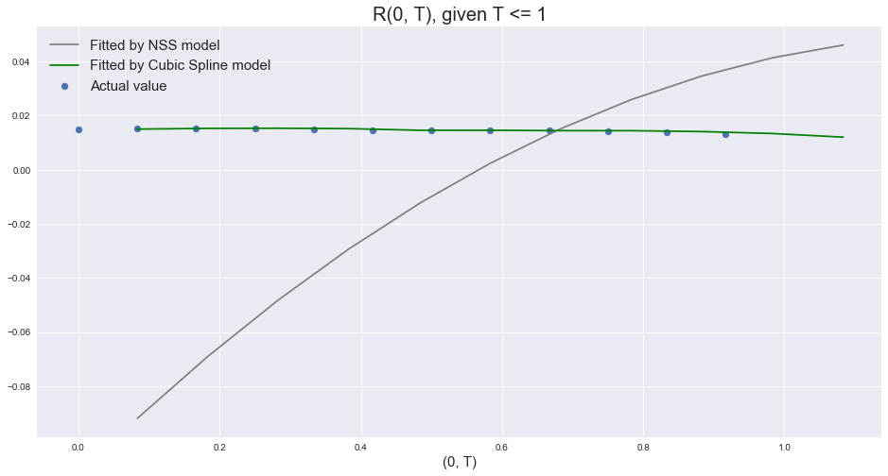
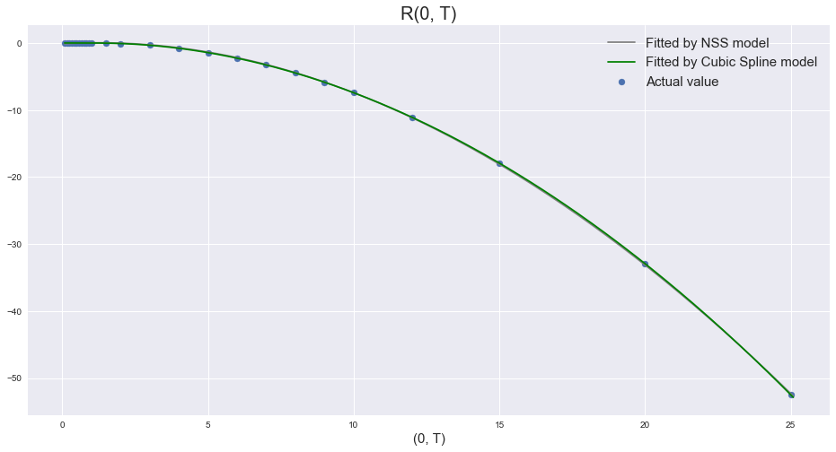
T_1 | T_2 | phi_t_after_log | T | sigma_r_square | R_T
0 | 0.083333333333 | 0.0015448099891 | 0.083333333333 | 0.0062348845769 | 0.015013039106
0.083333333333 | 0.16666666667 | 0.0029860936413 | 0.16666666667 | 0.0014465762017 | 0.015309418342
0.16666666667 | 0.25 | 0.0041934649382 | 0.25 | 0.0006265558724 | 0.015229891342
0.25 | 0.33333333333 | 0.005583595071 | 0.33333333333 | 0.00034331918512 | 0.015427768874
0.33333333333 | 0.41666666667 | 0.0068019504549 | 0.41666666667 | 0.0002162732455 | 0.01494150633
0.41666666667 | 0.5 | 0.0079670302532 | 0.5 | 0.00014862128214 | 0.014550111643
0.5 | 0.58333333333 | 0.0092370377591 | 0.58333333333 | 0.00010807283683 | 0.014590432919
0.58333333333 | 0.66666666667 | 0.010313253252 | 0.66666666667 | 8.2113197188E-05 | 0.014460918579
0.66666666667 | 0.75 | 0.011407088194 | 0.75 | 6.4500854581E-05 | 0.014434602269
0.75 | 0.83333333333 | 0.012501925917 | 0.83333333333 | 5.2006485416E-05 | 0.014340325179
0.83333333333 | 0.91666666667 | 0.013464360338 | 0.91666666667 | 4.2823477625E-05 | 0.013889487635
0.91666666667 | 1 | 0.014531845483 | 1 | 3.5877209046E-05 | 0.01321432141
1 | 1.5 | 0.020227277147 | 1.5 | 0.00025789830846 | -0.0053228976011
1.5 | 2 | 0.025920985217 | 2 | 0.00021389829201 | -0.061697246022
2 | 3 | 0.037927530142 | 3 | 0.00029406659238 | -0.31853557013
3 | 4 | 0.050247088689 | 4 | 0.00022283543748 | -0.773814257
4 | 5 | 0.063289444586 | 5 | 0.00016541584824 | -1.4193578747
5 | 6 | 0.077267038635 | 6 | 0.00012296973222 | -2.2501922254
6 | 7 | 0.091763639235 | 7 | 9.4845647512E-05 | -3.2643023113
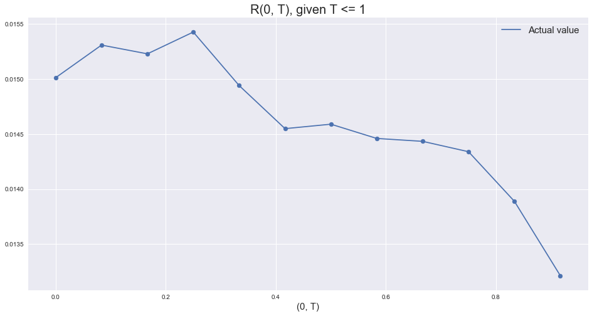
7 | 8 | 0.10718135382 | 8 | 7.5370082142E-05 | -4.4610496581
8 | 9 | 0.1233253225 | 9 | 6.1364137288E-05 | -5.8403143864
9 | 10 | 0.14015295751 | 10 | 5.0967701034E-05 | -7.4020655798
10 | 12 | 0.1799981261 | 12 | 5.6368574461E-05 | -11.063115989
12 | 15 | 0.25392178495 | 15 | 7.5850023029E-05 | -17.907635454
15 | 20 | 0.43364830756 | 20 | 0.00011625357534 | -32.922915176
20 | 25 | 0.62586445945 | 25 | 0.00011373205881 | -52.503253361

Task 2 sigma_s(t1,t2) estimate
Task 2 - to estimate sigma_s (T1,T2) using quotes of SOFR term structure.
Sheetname: Task 2 sigma_s(t1,t2) estimate

1. To calibrate sigma_s(T1, T2) to the market 1-month and 3-month SOFR futures.

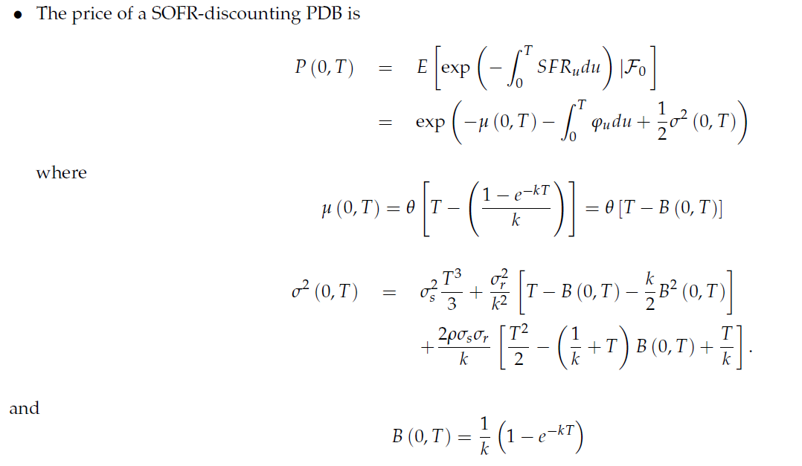
 | (1)

 | (2)

 | (3) | The left hand side of the above equation can be calculated as
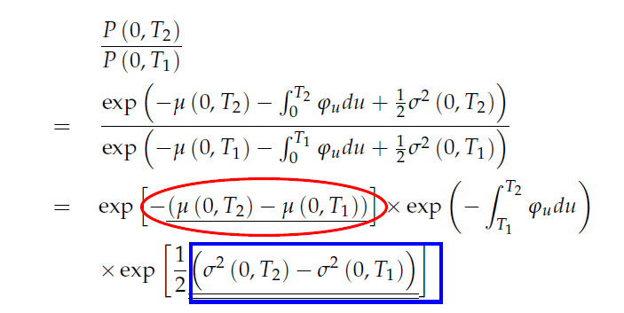

 |  | where

 |  | and

2. Example - 1M-SOFR futures
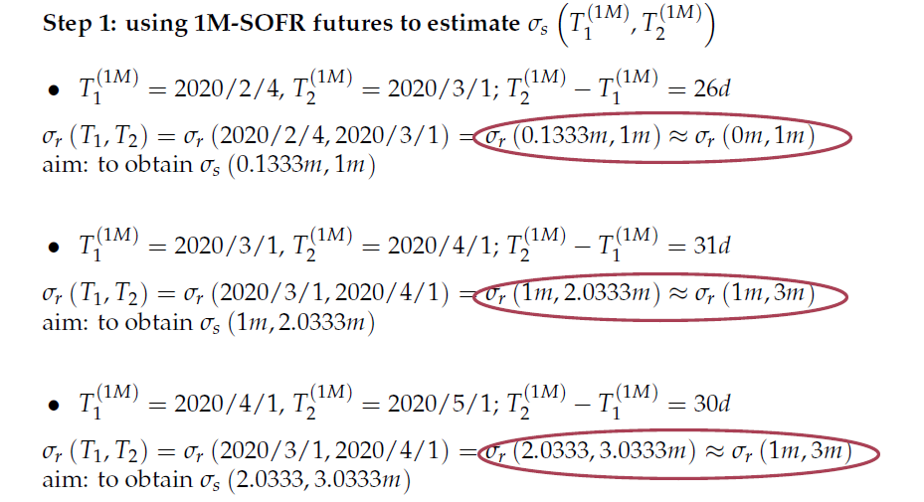

 | Question 1: | the integral of phi_(T1, T2) where (T1, T2) is not available from Task 1.
 | Principle: | uniform distribution assumption
 | For Boom to fill

 | Question 2:

 | Principle: | to pick up the larger proportion
 | For Boom to fill

3. Example - 3M-SOFR futures
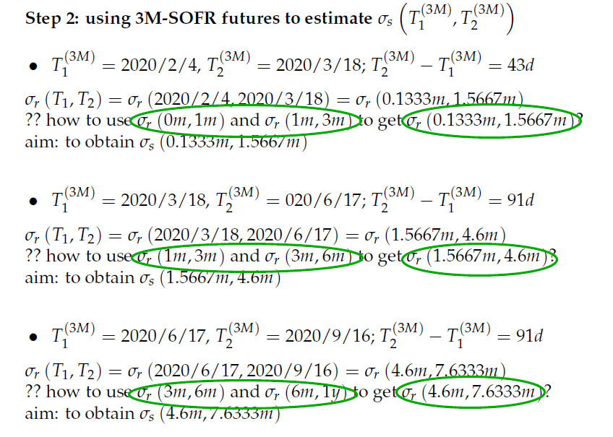

 | Principle: | to pick up the larger proportion
 | For Boom to fill

Task 4 Bootstrap Sigma_s
Task 4 - to bootstrap sigma_s (T1,T2) to obtain sigma_s(0, T2).
Sheetname: Task 4 Bootstrap Sigma_s

1. Recall that the SOFR futures price k*(T1,T2) is

 | and the SOFR-discounting PDB is

 | According to equation (2), we have
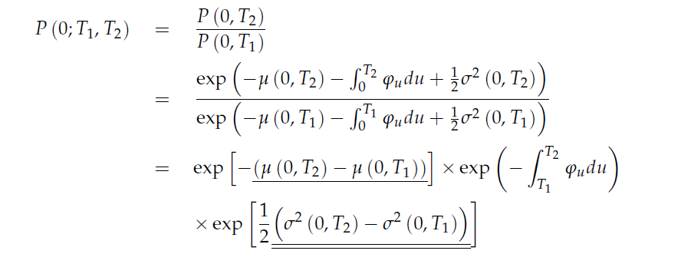

 |  |  |  | ( 3)

 |  | where

 |  | and

 | The three terms are defined as follows:

 |  | After substituting equations (4) and (5) into equation (3), we have

2. Example:
 | Recall that we have

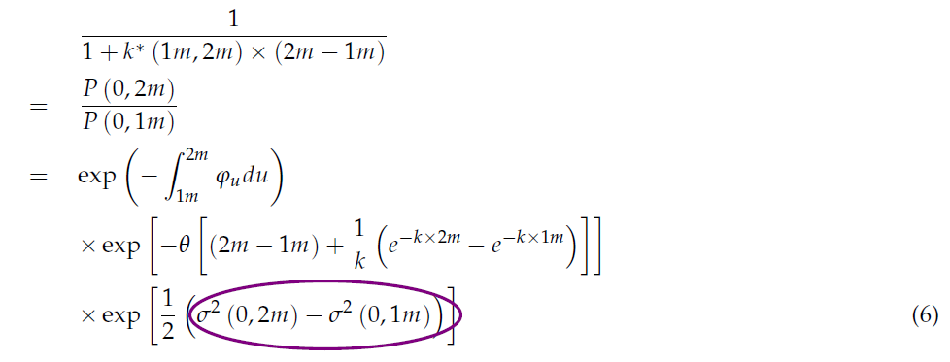

 |  |  | where

 |  |  | and

 |  |  | where

 |  |  | and

